Admin
<<user>>
Logout

Master
Daftar Customer
Customer

Produk
Employee

Add

<<user>>
Logout

Master
Master Customer
Customer
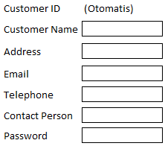

Produk
Employee

Save
Cancel

<<user>>
Logout

Master
Daftar Produk
Customer

Produk
Employee

Add

<<user>>
Logout

Master
Master Produk
Customer

Produk
Employee

Save
Cancel

<<user>>
Logout

Master
Daftar Employee
Customer

Produk
Employee

Add

<<user>>
Logout

Master
Master Employee
Customer
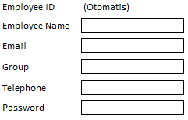
Produk
Employee

Save
Cancel

Login
Logo

Username
Password

Login

Customer
<<user>>
Logout

History NG Customer
Customer Service
Request Date
DD-MM-YYYY ...
DD-MM-YYYY ...
~
Status
Model
 |  |  | Setelah customer klik button save, status berubah jadi request.
 |  |  | Kolom Employee Masih kosong
 |  |  | Hasil Print file pdf
 |  |  | Customer Bisa Ngecek progress status NG customernya
Search
 |  |  | View2 data ini disambungin langsung aja ke link download bang

Request Service
Print

Ini Page Saat button Request Service di pencet

<<user>>
Logout

Request Service
Customer Service
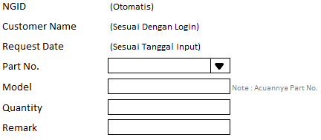

AWB

Save
Cancel

History NG Customer

Signed By

Scan ttd
 |  | Pas dicetak scanan tandatangan nongol sendiri ya bang

Department Head OQA

 | Hasil Print file pdf
 | Isi data yang di print sesuai dengan filter tanggal yang ditentukan si customer

Staff OQA
>> Menu customer service (Sub menu History NG Customer)

<<user>>
Logout

Customer Service
Analisa
Report NG Customer
History
History NG Customer

Request Date
~
DD-MM-YYYY ...
DD-MM-YYYY ...
Search
Customer Name
Status
 |  |  |  |  | Setelah upload data detail, Status berubah jadi on progress 1
 |  |  |  |  | EmployeeID terisi otomatis sesuai dengan ID staff yg upload data detail
 |  |  |  |  | Setelah upload data CA Customer, Status berubah jadi on progress 2
 |  |  |  |  | Setelah upload data CAR, Status berubah jadi on progress 3
 |  |  |  |  | Setelah upload data CA Pengiriman, Status berubah jadi closed

>> Tampilan Ketika Klik Link Data Detail
Logout
<<user>>
Upload
Cancel
History Detail NG Customer

History Detail NG Data
Customer Service
Analisa
Report NG Customer
History
Detail NG Data
CA Customer
CAR
CA Pengiriman

Search
~
Request Date
DD-MM-YYYY ...
Customer Name
DD-MM-YYYY ...

>> Tampilan Ketika Klik Button Upload
Logout
<<user>>
Upload Data Detail NG Customer
Save
Reset
Cancel

Customer Service
Analisa
Report NG Customer
History
Detail NG Data
CA Customer
CAR
CA Pengiriman

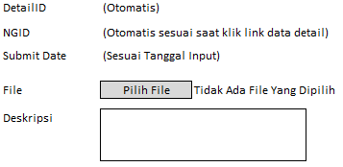

>> Tampilan Ketika Klik Link Upload CIPL & AWB Customer
Logout
<<user>>
History CIPL & AWB Cutomer
Upload
Cancel

Customer Service
Analisa
Report NG Customer
History
Detail NG Data
CA Customer
CAR
CA Pengiriman
Search
~
Request Date
DD-MM-YYYY ...
Customer Name
DD-MM-YYYY ...

>> Tampilan Ketika Klik Button Upload

Logout
<<user>>
Upload CIPL & AWB Customer
Save
Reset
Cancel

Customer Service
Analisa
Report NG Customer
History
Detail NG Data
CA Customer
CAR
CA Pengiriman

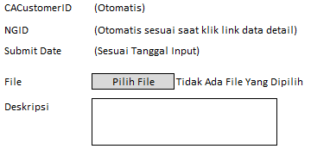

>> Tampilan Ketika Klik Link Upload CAR

Logout
<<user>>
History CAR
Upload
Cancel

Customer Service

Search
~
Request Date
DD-MM-YYYY ...
Customer Name
DD-MM-YYYY ...

>> Tampilan Ketika klik Button Upload

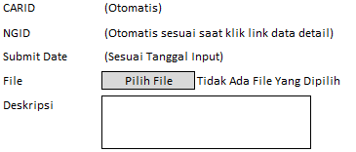

>> Tampilan Ketika Klik Link Upload CIPL & AWB Pengiriman

<<user>>
Logout

History CIPL & AWB Pengiriman
Customer Service
Analisa
Search
~
Request Date
DD-MM-YYYY ...
Customer Name
DD-MM-YYYY ...
Report

Upload
Cancel

 | Hasil Printnya pdf

>> Tampilan Ketika Klik Button Upload

Logout
<<user>>
Upload CIPL & AWB Pengiriman
Save
Reset

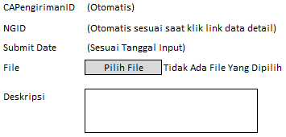

Cancel

>> Tampilan Ketika Klik menu Analisa (sub menu Surat Perintah Analisa)

Logout
<<user>>
Surat Perintah Analisa
Request

Search
~
Request Date
DD-MM-YYYY ...
Customer Name
DD-MM-YYYY ...

>> Tampilan Ketika Klik button Request

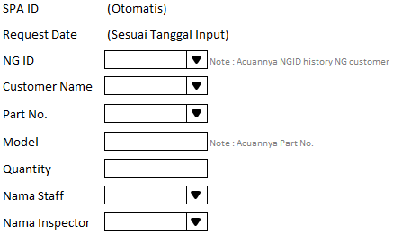
Logout
<<user>>
Request Surat Perintah Analisa
Save
Cancel

>> Tampilan Ketika Print SPA

 |  | Surat Perintah Analisa

 |  | SPA ID | :

 |  | Request Date | :

 |  | NG ID | :

 |  | Customer Name | :

 |  | Part No. | :

 |  | Model | :

 |  | Quantity | :

 |  | Nama Staff | :

 |  | Nama Inspector | :

 |  |  |  | Requester

 |  |  |  | (Nama Staff OQA)

 | Hasil Printnya pdf
 | Tandatangannya manual setelah di print
>> Tampilan Ketika Klik menu Analisa (sub menu Result Analisa)
Logout
<<user>>
Result Analisa

Request Date
DD-MM-YYYY ...
Customer Name
DD-MM-YYYY ...

Search

 | Hasil Downloadnya file excel

>> Tampilan Ketika Klik menu Report (Sub menu Report NG Customer)

<<user>>
Logout

Report NG Customer By Periodic

Request Date
DD-MM-YYYY ...
...
~
DD-MM-YYYY ...
...

Search

Total of NG customer By Periodic : (Jumlah Record hasil search)

Download

 |  |  |  |  | Hasil Print pdf

<<user>>
Logout

Report NG Customer By Customer

Search
Request Date
Customer
~
DD-MM-YYYY ...
DD-MM-YYYY ...
...
...

Total of NG customer By Customer: (Jumlah Record hasil search)
Download

 |  |  |  |  | Hasil Print pdf

<<user>>
Logout

Report NG Customer By Status

Request Date
DD-MM-YYYY ...
...
~
DD-MM-YYYY ...
...

Status

Search

Total of NG customer By Status: (Jumlah Record hasil search)
Download

 |  |  |  |  | Hasil Print pdf

<<user>>
Logout

Report NG Customer By Employee

Request Date
DD-MM-YYYY ...
...
~
DD-MM-YYYY ...
...

EmloyeeID

Search

Total of NG customer By Employee: (Jumlah Record hasil search)
Download

 |  |  |  |  | Hasil Print pdf

<<user>>
Logout

Report NG Customer By Model

Request Date
DD-MM-YYYY ...
...
~
DD-MM-YYYY ...
...

Model

Search

Total of NG customer By Model: (Jumlah Record hasil search)

Download
 |  |  |  |  | Hasil Print pdf

Operator OQA
<<user>>
Logout

Result Analisa
Analisa
Search
Request Date
Customer
~
DD-MM-YYYY ...
DD-MM-YYYY ...

Keterangan kolom result analisa jika file sudah di upload status "OK", jika belum status "NOT YET"

Add

<<user>>
Logout

Add Result Analisa
Analisa
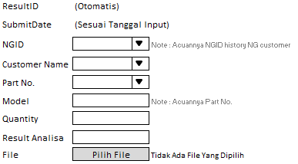

Save
Cancel

Staff Incoming
<<user>>
Logout

Kedatangan NG Customer
NG Customer

Add
Tanggal Kedatangan
~
DD-MM-YYYY ...
DD-MM-YYYY ...
Search

Print

Page Addnya

<<user>>
Logout

Add Kedatangan NG Customer
NG Customer

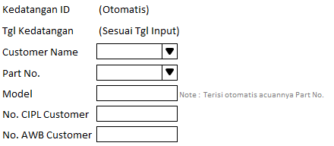

Save
Cancel

Hasil Print Outnya
Data Kedatangan NG Customer Divisi Incoming
Staff Incoming
(Namanya Sesuai Login)

Hasil Outputnya pdf ya bang

